sign up
Bug ID | Bug Title | Steps To Reproduce | Expected Result | Actual Result | Severity | Priority | Environment | Reporter | Assigned To | Attachments
Bug-Sign Up -01 | Name field has no character limit | 1. Navigate to Signup form 2. Paste a 400-character string into Name field 3. Click Signup | Form should reject input > 50 chars and show 'Name too long' error | 400-character name accepted; form proceeds to next step without error | Medium | Medium | Device : Laptop HP OS : Windows 11 Browser : Chrome Env : Production | Mena adel | Back End Team | 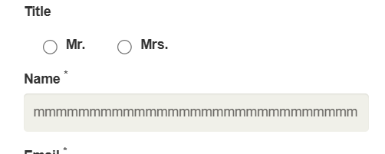
Bug-Sign Up -02 | Name field accepts numbers and special characters | 1. Navigate to Signup form 2. Enter '12334' in Name field 3. Enter valid email → Click Signup | Error message: 'Name must contain letters only' | Form accepts the invalid name and navigates to registration page | High | High | Device : Laptop HP OS : Windows 11 Browser : Chrome Env : Production | Mena adel | Back End Team
Bug-Sign Up -03 | Name field accepts spaces-only input | 1. Navigate to Signup form 2. Enter ' ' (spaces only) in Name field 3. Enter valid email → Click Signup | Error: 'Name cannot be blank or contain only spaces' | Spaces-only name accepted; user proceeds to next page | High | High | Device : Laptop HP OS : Windows 11 Browser : Chrome Env : Production | Mena adel | Back End Team
Bug-Sign Up -04 | No minimum password length enforced | 1. Navigate to Registration page 2. Enter '123' in Password field 3. Fill all other required fields → Click Create Account | Error: 'Password must be at least 8 characters' | Short password accepted; account created successfully | High | High | Device : Laptop HP OS : Windows 11 Browser : Chrome Env : Production | Mena adel | Back End Team | 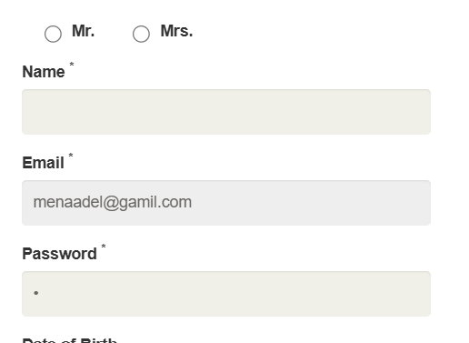
Bug-Sign Up -05 | No minimum age (18+) validation on DOB | 1. Navigate to Registration page 2. Select DOB = year 2018 (under 18) 3. Fill all other fields → Click Create Account | Error: 'You must be 18 or older to register' | Underage DOB accepted; account created successfully | High | High | Device : Laptop HP OS : Windows 11 Browser : Chrome Env : Production | Mena adel | Back End Team
Bug-Sign Up -06 | Mobile Number accepts alphabetic characters | 1. Navigate to Registration page 2. Enter 'adgrckfkd' in Mobile Number field 3. Fill all other fields → Click Create Account | Error: 'Please enter numbers only in Mobile Number field' | Alphabetic input accepted; account created successfully | High | High | Device : Laptop HP OS : Windows 11 Browser : Chrome Env : Production | Mena adel | Back End Team
Bug-Sign Up -07 | Mobile Number accepts too-short numbers | 1. Navigate to Registration page 2. Enter '123' in Mobile Number field 3. Fill all other fields → Click Create Account | Error: 'Invalid phone number — minimum 11 digits required' | 3-digit number accepted; account created successfully | Medium | Medium | Device : Laptop HP OS : Windows 11 Browser : Chrome Env : Production | Mena adel | Back End Team
Bug-Sign Up -08 | Zipcode accepts alphabetic characters | 1. Navigate to Registration page 2. Enter 'ACDRG' in Zipcode field 3. Fill all other fields → Click Create Account | Error: 'Invalid Zipcode — numbers only' | Alphabetic Zipcode accepted; account created successfully | Medium | Medium | Device : Laptop HP OS : Windows 11 Browser : Chrome Env : Production | Mena adel | Back End Team

product page
Bug ID | Bug Title | Steps To Reproduce | Expected Result | Actual Result | Severity | Priority | Environment | Reporter | Assigned To | Attachments | Status
Bug- Product - 13 | Empty search input display product list page | 1- open Website https://automationexercise.com/ 2- Click on "Products" button on navigation bar 3- leave search field empty 4- click "Search" button | Searched products displays white page with no results | All products on product list page are displayed | Medium | Medium | Device : Laptop HP Zbook G6 OS : Windows 11 Browser : Chrome Env : Production | Yasmin khaled | Back End Team | 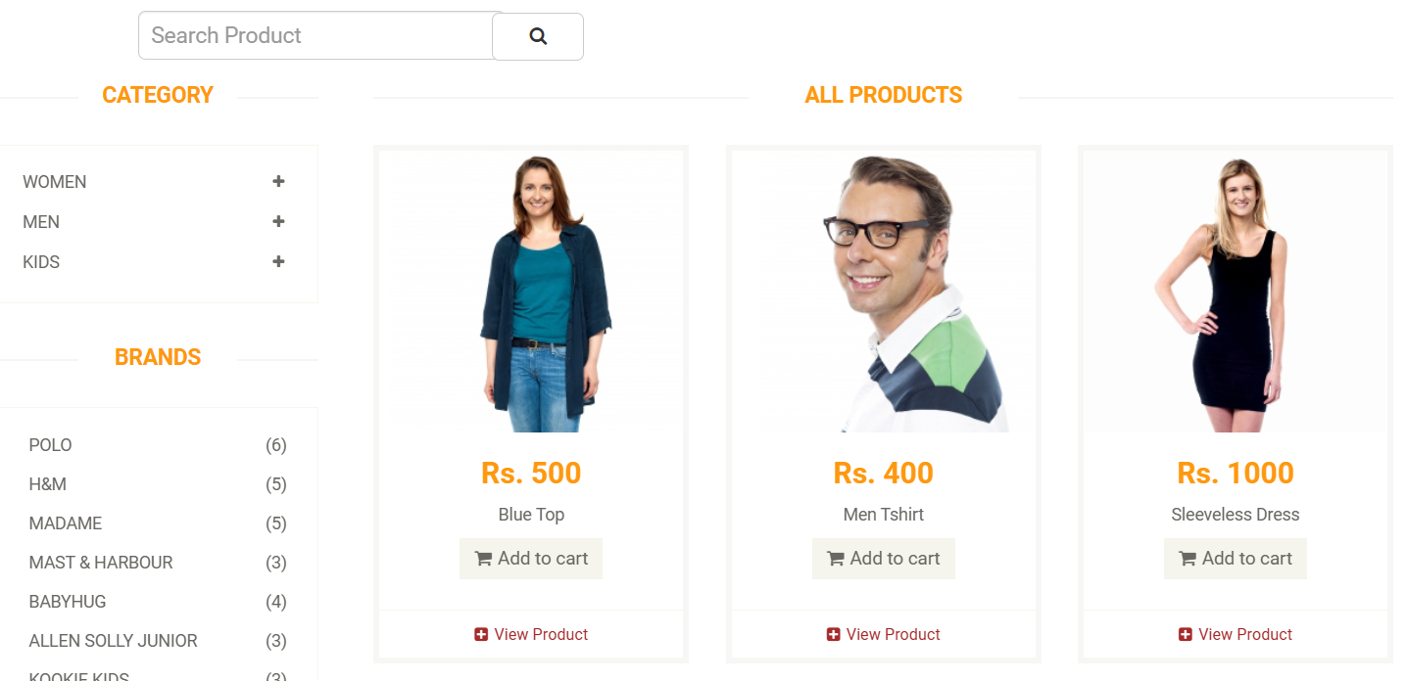 | New
Bug- Product - 16 | search bar isn't visible after filtering products | 1- open Website https://automationexercise.com/ 2- Click on "Products" button on navigation bar 3- select "Women" category 4- select "Dress" subcategory | Search bar appears after filtering products | Search bar doesn't appear after filtering products | Medium | Medium | Device : Laptop HP Zbook G6 OS : Windows 11 Browser : Chrome Env : Production | Yasmin khaled | Back End Team |  | New
Bug- Product - 25 | Cart quantity accepts negative values | 1-Open The Website https://automationexercise.com/ 2-login if wanted 3-Click on "Products" page 4-Click on view product on any product 5- Enter"-2" to quantity field 6-Add product to cart | Error Message ="Quantity cannot be negative" is displayed" | Product is added to the cart | High | High | Device : Laptop Hp zbook_G4 OS : Windows 10 Browser : Microsoft edge Env : Production | Marwan Ahmed | Back End Team | 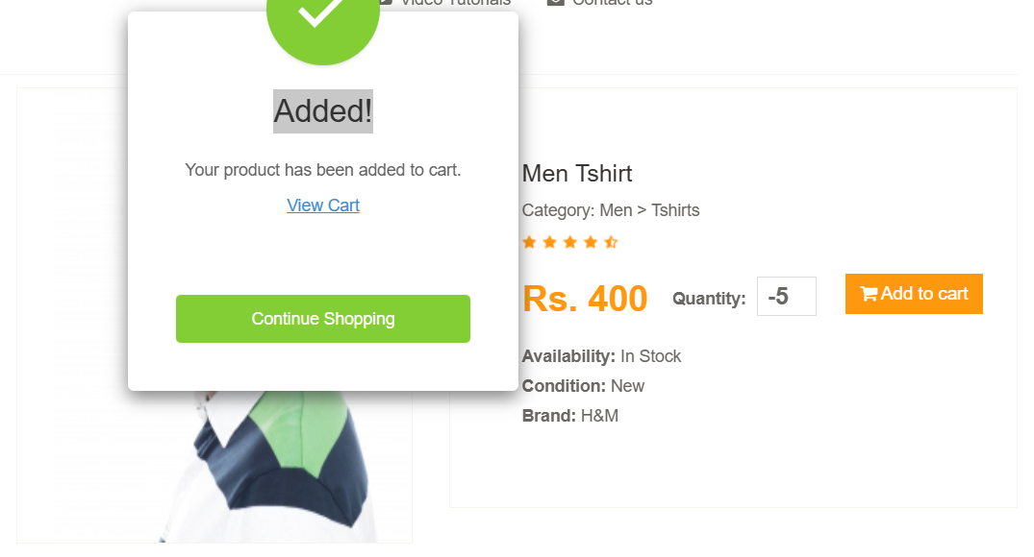 | New
Bug- Product - 26 | stock quantity has no limit | 1-Open The Website https://automationexercise.com/ 2-login if wanted 3-Click on "Products" page 4-Click on view product on any product 5- Enter"10000000000000" to quantity field 6-Add product to cart | Error Message ="Requested quantity exceeds available stock" | Product is added to the cart | High | High | Device : Laptop Hp zbook_G4 OS : Windows 10 Browser : Microsoft edge Env : Production | Marwan Ahmed | Back End Team | 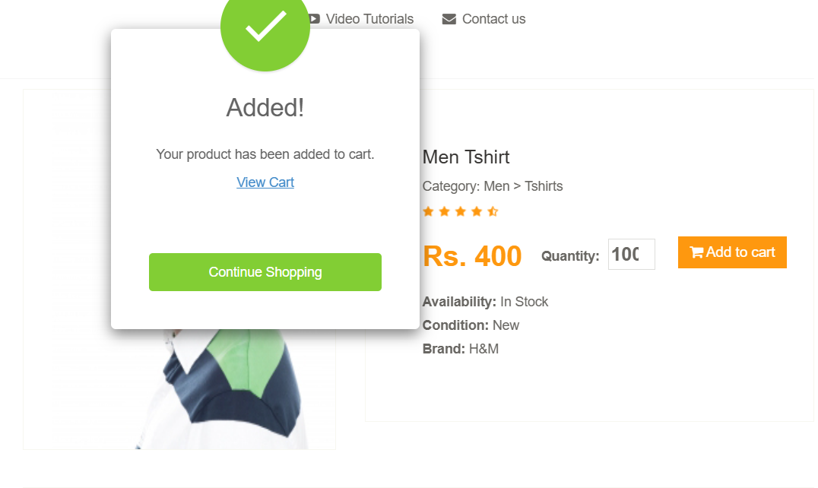 | New
Bug- Product - 27 | Customer name accepts number in review form | 1-Open The Website https://automationexercise.com/ 2-login if wanted 3-Click on "Products" page 4-Click on view product on any product 5-add review 6-enter "toni20" in customer name field 7- press TAB and move to next field | System displays error message indicating "numbers are not allowed" | Field saved | Medium | Medium | Device : Laptop Hp zbook_G4 OS : Windows 10 Browser : Microsoft edge Env : Production | Marwan Ahmed | Back End Team | 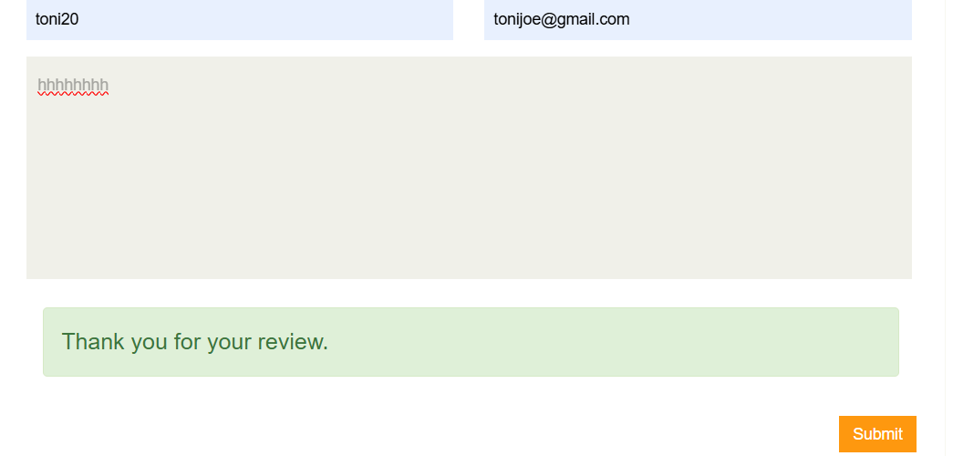 | New
Bug- Product - 29 | Customer name accepts space as first charcter in review form | 1-Open The Website https://automationexercise.com/ 2-login if wanted 3-Click on "Products" page 4-Click on view product on any product 5-add review 6-enter " toni" in customer name field 7- press TAB and move to next field | System displays error message indicating "space can't be accepted as first character" | Field saved | Medium | Medium | Device : Laptop Hp zbook_G4 OS : Windows 10 Browser : Microsoft edge Env : Production | Marwan Ahmed | Back End Team | 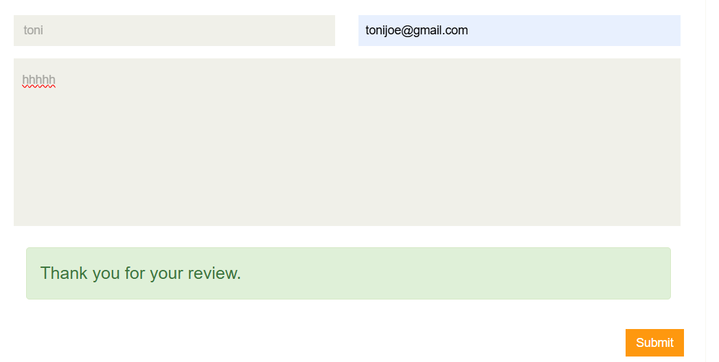 | New
Bug- Product - 31 | Customer name accepts special charcters in review form | 1-Open The Website https://automationexercise.com/ 2-login if wanted 3-Click on "Products" page 4-Click on view product on any product 5-add review 6-enter "toni$" in customer name field 7- press TAB and move to next field | System displays error message indicating "special charachters are not allowed" | Field saved | Medium | Medium | Device : Laptop Hp zbook_G4 OS : Windows 10 Browser : Microsoft edge Env : Production | Marwan Ahmed | Back End Team | 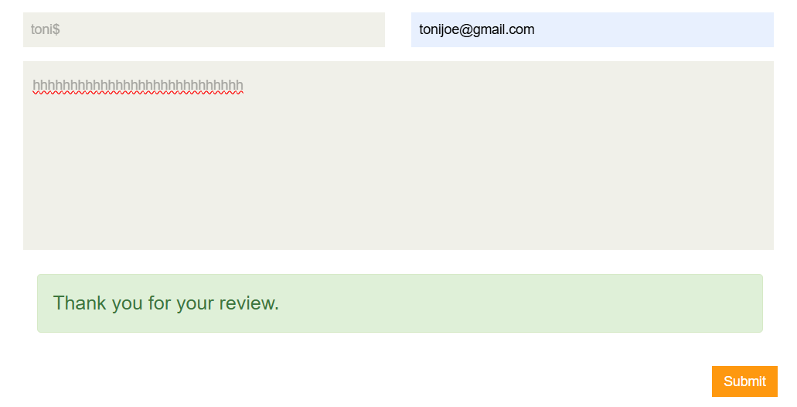 | New
Bug- Product - 32 | Customer name has no limit in review form | 1-Open The Website https://automationexercise.com/ 2-login if wanted 3-Click on "Products" page 4-Click on view product on any product 5-add review 6-enter large number of charachters in customer name field 7- press TAB and move to next field | System displays error message indicating "customer name has character limit" | Field saved | Medium | Medium | Device : Laptop Hp zbook_G4 OS : Windows 10 Browser : Microsoft edge Env : Production | Marwan Ahmed | Back End Team | 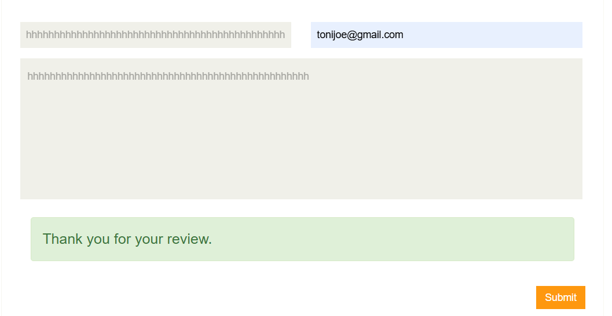 | New
Bug- Product - 34 | Email accepts space as first charcter in review form | 1-Open The Website https://automationexercise.com/ 2-login if wanted 3-Click on "Products" page 4-Click on view product on any product 5-add review 6-enter" tonijoe@gmail.com" in email field 7- press TAB and move to next field | System displays error message indicating "space can't be accepted as first character" | Field saved | Medium | Medium | Device : Laptop Hp zbook_G4 OS : Windows 10 Browser : Microsoft edge Env : Production | Marwan Ahmed | Back End Team | 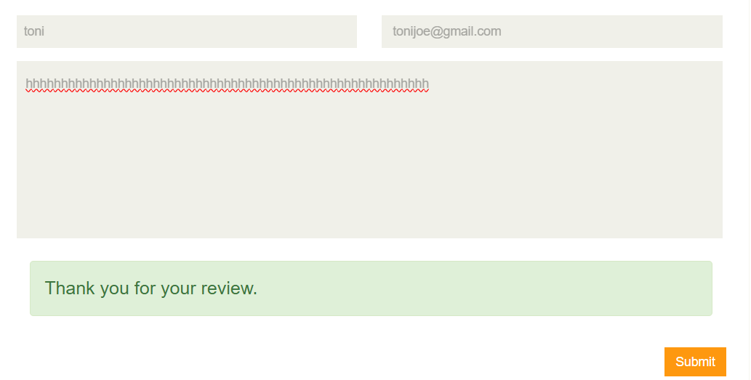 | New
Bug- Product - 39 | email can be without domain name in review form | 1-Open The Website https://automationexercise.com/ 2-login if wanted 3-Click on "Products" page 4-Click on view product on any product 5-add review 6-enter"tonijoe@.com" in email field 7- press TAB and move to next field | System displays error message indicating "no domain name" | System displays error message : ""." is at wrong position" | Medium | Medium | Device : Laptop Hp zbook_G4 OS : Windows 10 Browser : Microsoft edge Env : Production | Marwan Ahmed | Back End Team | 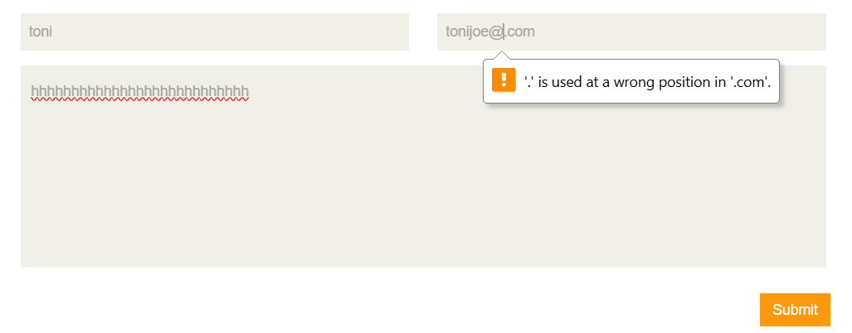 | New
Bug- Product - 40 | email can be without top level domain name in review form | 1-Open The Website https://automationexercise.com/ 2-login if wanted 3-Click on "Products" page 4-Click on view product on any product 5-add review 6-enter "tonijoe@gmail" in email field 7- press TAB and move to next field | System displays error message indicating "input is invalid" | File saved | Medium | Medium | Device : Laptop Hp zbook_G4 OS : Windows 10 Browser : Microsoft edge Env : Production | Marwan Ahmed | Back End Team | 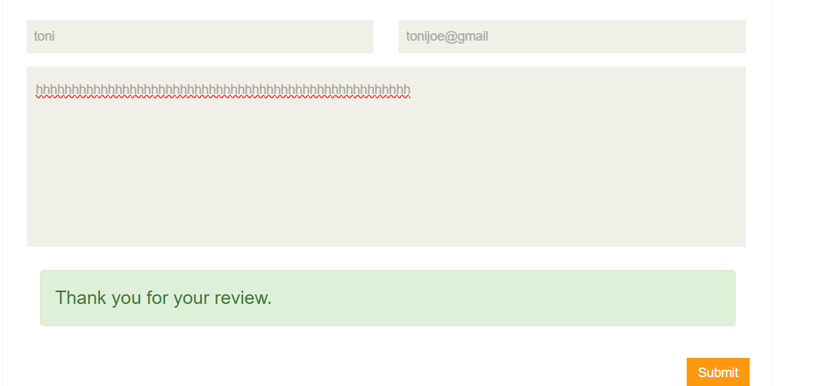 | New
Bug- Product - 43 | description in review form has no character limit | 1-Open The Website https://automationexercise.com/ 2-login if wanted 3-Click on "Products" page 4-Click on view product on any product 5-add review 6-enter "1000" character in description field 7- Click "Submit" button | error message indicate that input is invalid | Review form accepts it and submitted | Low | Low | Device : Laptop Hp zbook_G4 OS : Windows 10 Browser : Microsoft edge Env : Production | Marwan Ahmed | Back End Team | 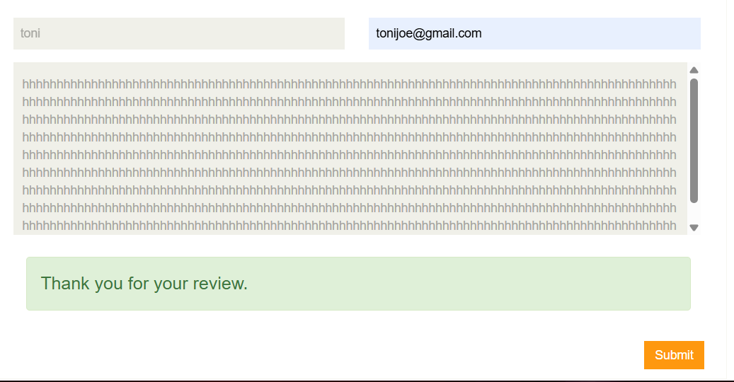 | New

UI

Bug ID | Bug Title | Steps To Reproduce | Expected Result | Actual Result | Severity | Priority | Environment | Reporter | Assigned To | Attachments | Status
Bug-UI-001 | Product description displayed in uppercase causing readability inconsistency | 1. Open https://automationexercise.com/ 2. Navigate to Products page 3. Observe product descriptions 4. Compare with other products | All product descriptions should follow consistent text formatting (normal case) | One product description is displayed in full uppercase, unlike others | Low | Medium | Chrome Browser – Windows 11 | Amany Mousa | Dev Team |  | New
BugUI-002 | Search bar is missing from the website interface | 1. Open https://automationexercise.com/ 2. Navigate across homepage and other pages 3. Attempt to locate search bar | Search bar should be visible and accessible to allow product search | Search bar is not present anywhere on the website | Medium | Medium | Chrome Browser – Windows 11 | Amany Mousa | Dev Team |  | New

Cart and checkout
Bug ID | Bug Title | Steps To Reproduce | Expected Result | Actual Result | Severity | Priority | Environment | Reporter | Assigned To | Attachments | Status
Bug- cart - 001 | Product Quantity Field at cart can't updated | 1. Open Cart https://automationexercise.com/view_cart 2. try to Change quantity of product | Quantity updates correctly; total price updates | we can't update the quantity at the cart | medium | medium | Device : Laptop HP OS : Windows 11 Browser : Chrome Env : Production | yasmin abady | Back End Team | 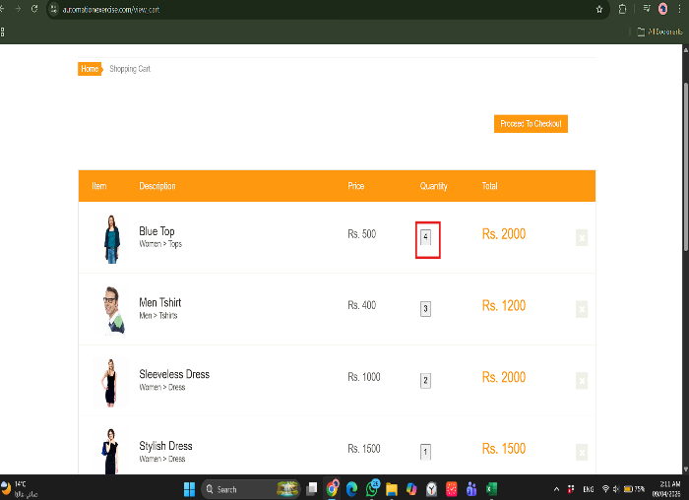 | New
Bug-cart-016 | update quantity for products from product page accepts negative integers | 1. open product page https://automationexercise.com/products 2. update quantity of any product 3. put negative integer numbers 4.click add to cart | Quantity field shouldn't accept negative numbers | Quantity field accepts negative numbers, then added to the cart successfully | high | high | Device : Laptop HP OS : Windows 11 Browser : Chrome Env : Production | yasmin abady | Back End Team | 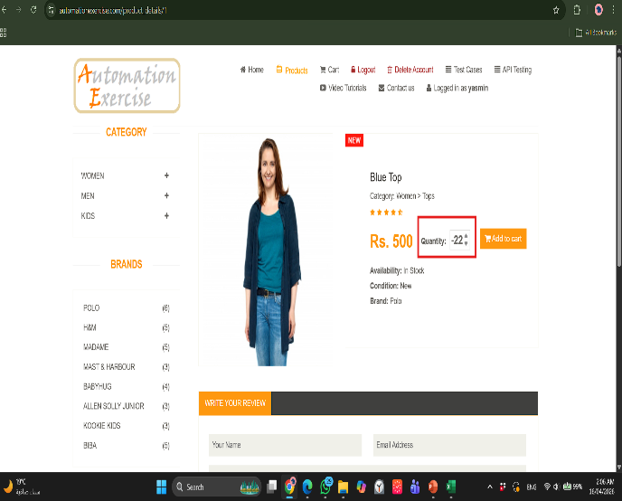 | New
Bug-cart-017 | update quantity for products from product page accepts fractions | 1. open product page https://automationexercise.com/products 2. update quantity of any product 3. put fraction 4.click add to cart | Quantity field shouldn't accept fractions | Quantity field accepts fractions | high | high | Device : Laptop HP OS : Windows 11 Browser : Chrome Env : Production | yasmin abady | Back End Team |  | New
Bug-cart-018 | there isn't product quantity limitation | 1. open product page https://automationexercise.com/products 2. update quantity of any product 3. increase the quantity to unlimited number 4.click add to cart | quantity field shouldn't accept unlimited quantity of a product | Quantity field accepts unlimited quantity | high | high | Device : Laptop HP OS : Windows 11 Browser : Chrome Env : Production | yasmin abady | Back End Team | 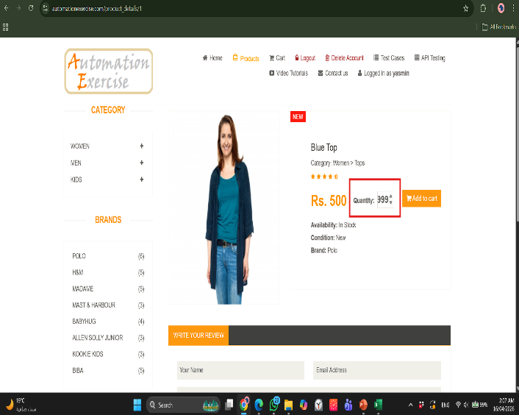 | New
Bug-cart-019 | quantity field for products from product page accepts letters | 1. open product page https://automationexercise.com/products 2. add letters at quantity field 3.click add to cart | quantity field shouldn't accept letters | Quantity field accepts letters | high | high | Device : Laptop HP OS : Windows 11 Browser : Chrome Env : Production | yasmin abady | Back End Team | 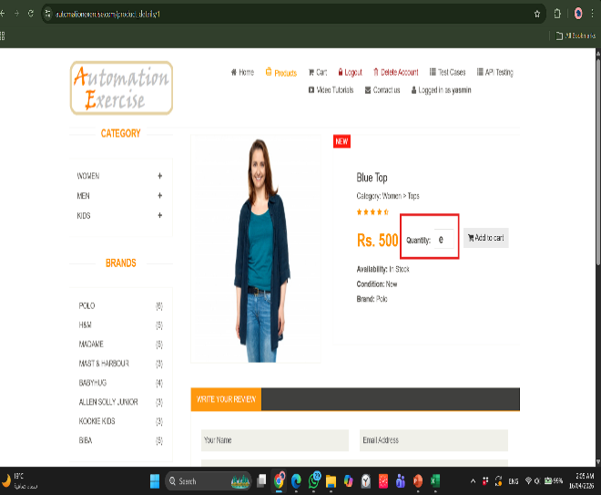 | New
Bug-checkout-007 | Validate Name of card accepts numbers | 1. Open payment page https://automationexercise.com/payment 2.enter "1234" at name on card field | the field should reject input and show validation message | the field of name on card accepts numbers | high | high | Device : Laptop HP OS : Windows 11 Browser : Chrome Env : Production | yasmin abady | Back End Team | 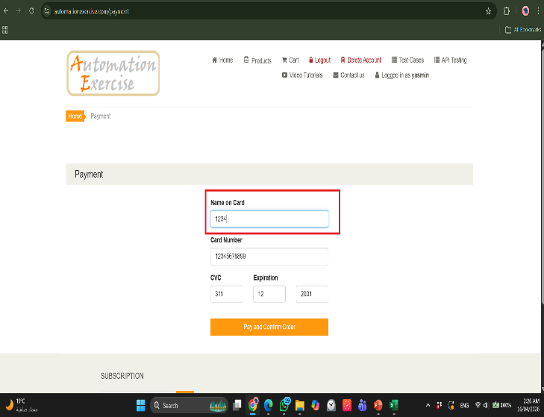 | New
Bug-checkout-008 | Validate Card Number accepts letters | 1. Open payment page https://automationexercise.com/payment 2.Enter "abcd" in Card Number and submit | the field should reject input and show validation message | the field of card number accepts letters | high | high | Device : Laptop HP OS : Windows 11 Browser : Chrome Env : Production | yasmin abady | Back End Team | 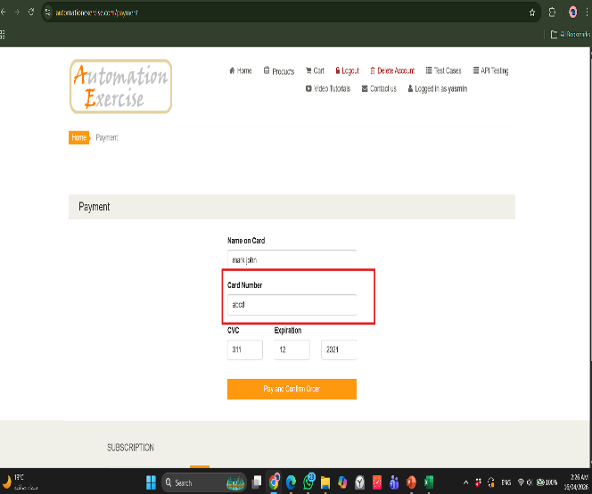 | New
Bug-checkout-009 | Validate CVC accepts letters | 1. Open payment page https://automationexercise.com/payment 2.Enter letters "@abg" in CVC feild | the field should reject input and show validation error | the field of CVC accepts letters | high | high | Device : Laptop HP OS : Windows 11 Browser : Chrome Env : Production | yasmin abady | Back End Team | 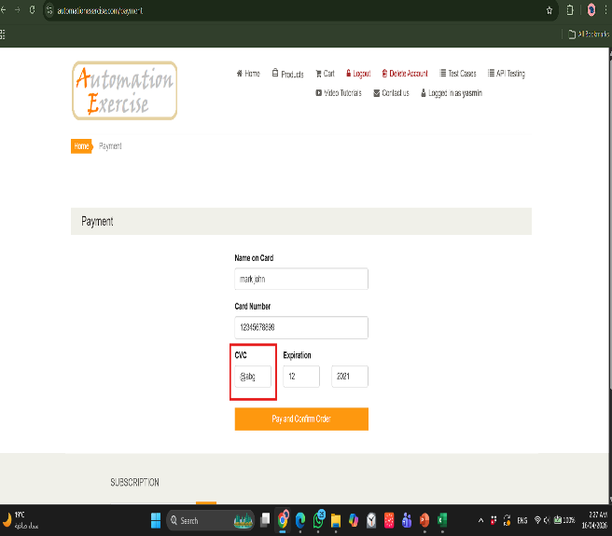 | New
Bug-checkout-010 | inValidate Expiration Date format accepted | 1. Open payment page https://automationexercise.com/payment 2.Enter letters (abcd111 cgf222) in expiration field | the field should reject input and show validation error | the fields of expiration accepts letters , doesn't send error message | high | high | Device : Laptop HP OS : Windows 11 Browser : Chrome Env : Production | yasmin abady | Back End Team | 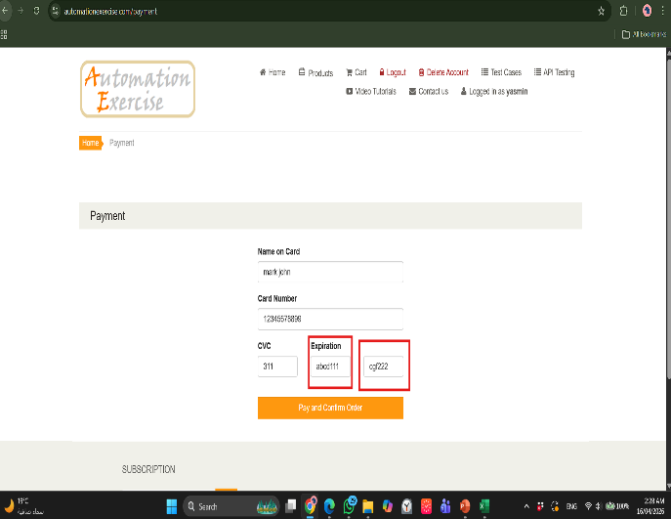 | New
Bug- checkout - 001 | log in during checkout doesn't redirect the user to checkout page | 1. Open Cart https://automationexercise.com/view_cart 2.Click Proceed to Checkout 3.Enter valid login credentials at checkout | user logged in successfully, then redirected to checkoutpage | user logged in successfully,then redirected to home page not checkout page | low | low | Device : Laptop HP OS : Windows 11 Browser : Chrome Env : Production | yasmin abady | Back End Team | 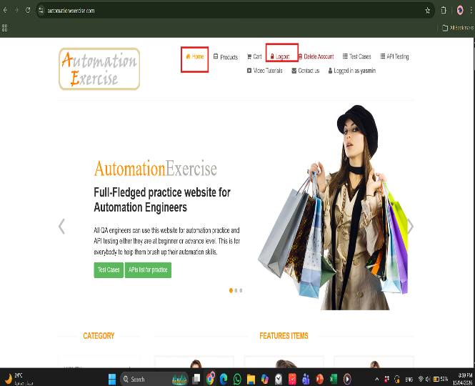 | New

Contact us
Bug ID | Bug Title | Steps To Reproduce | Expected Result | Actual Result | Severity | Priority | Environment | Reporter | Assigned To | Attachments | Status
Bug- Contact-02 | Form submission accepts Name field with empty value | 1- open Website https://automationexercise.com/ 2- Click on "Contact Us" button on navigation bar 3- leave name field empty | System displays error message "Please fill out this field" | the form accepts the empty field | High | High | Device : Laptop HP Zbook G6 OS : Windows 11 Browser : Chrome Env : Production | Yasmin khaled | Back End Team | 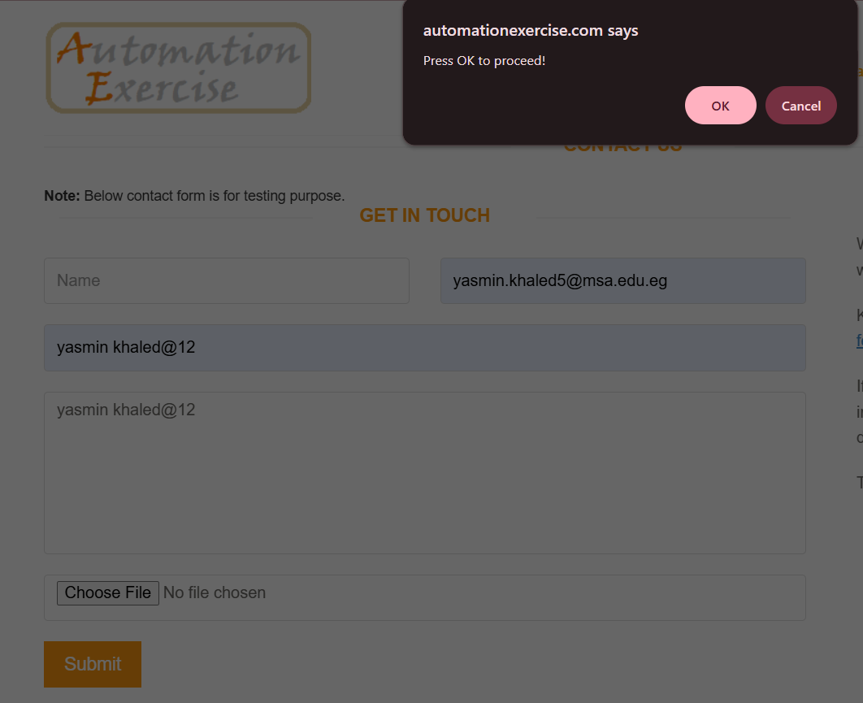 | New
Bug- Contact-03 | Name field accepts numeric values | 1- open Website https://automationexercise.com/ 2- Click on "Contact Us" button on navigation bar 3- Enter "yasmin10" in name field | System displays error message indicating "Name should be letters only" | the form accepts the numbers | Medium | Medium | Device : Laptop HP Zbook G6 OS : Windows 11 Browser : Chrome Env : Production | Yasmin khaled | Back End Team | 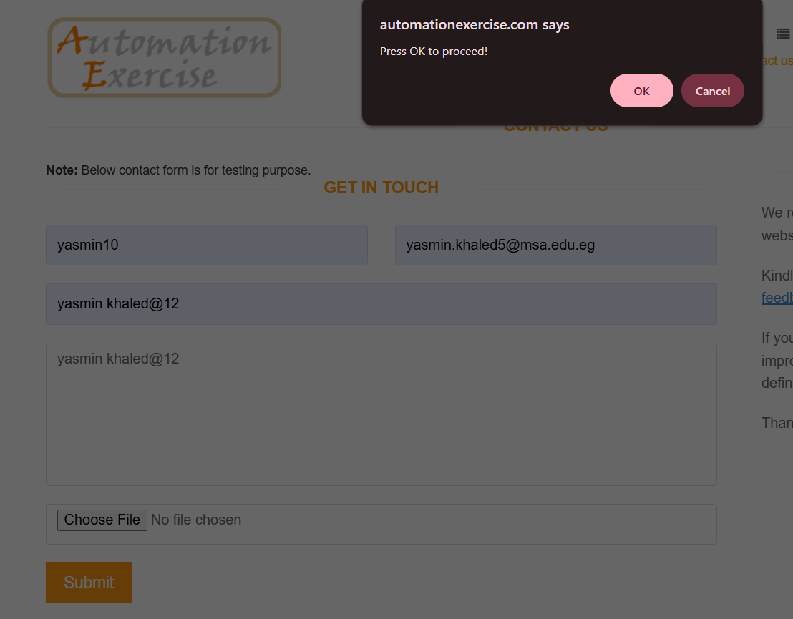 | New
Bug-Contact-05 | Name Field doesn't have character limit | 1- open Website https://automationexercise.com/ 2- Click on "Contact Us" button on navigation bar 3- Enter large number of chracters in name field | System displays error message indicating "name field has character limit" | Form accepts Name field | Medium | Medium | Device : Laptop HP Zbook G6 OS : Windows 11 Browser : Chrome Env : Production | Yasmin khaled | Back End Team | 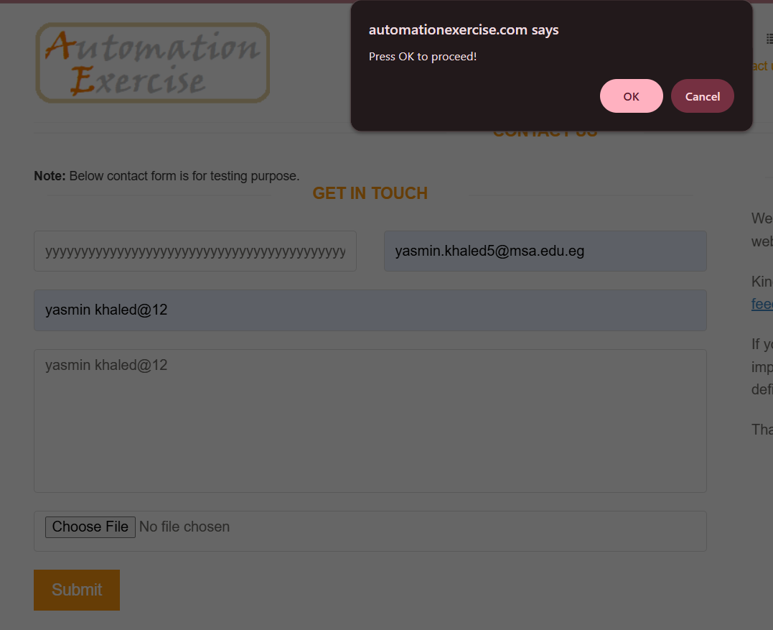 | New
Bug-Contact-07 | first character can be space in email in review form | 1- open Website https://automationexercise.com/ 2- Click on "Contact Us" button on navigation bar 3- enter " yasminkhaled@gmail.com" in email field | System displays error message indicating "space can't be accepted as first character" | Form accepts Email field | Medium | Medium | Device : Laptop HP Zbook G6 OS : Windows 11 Browser : Chrome Env : Production | Yasmin khaled | Back End Team | 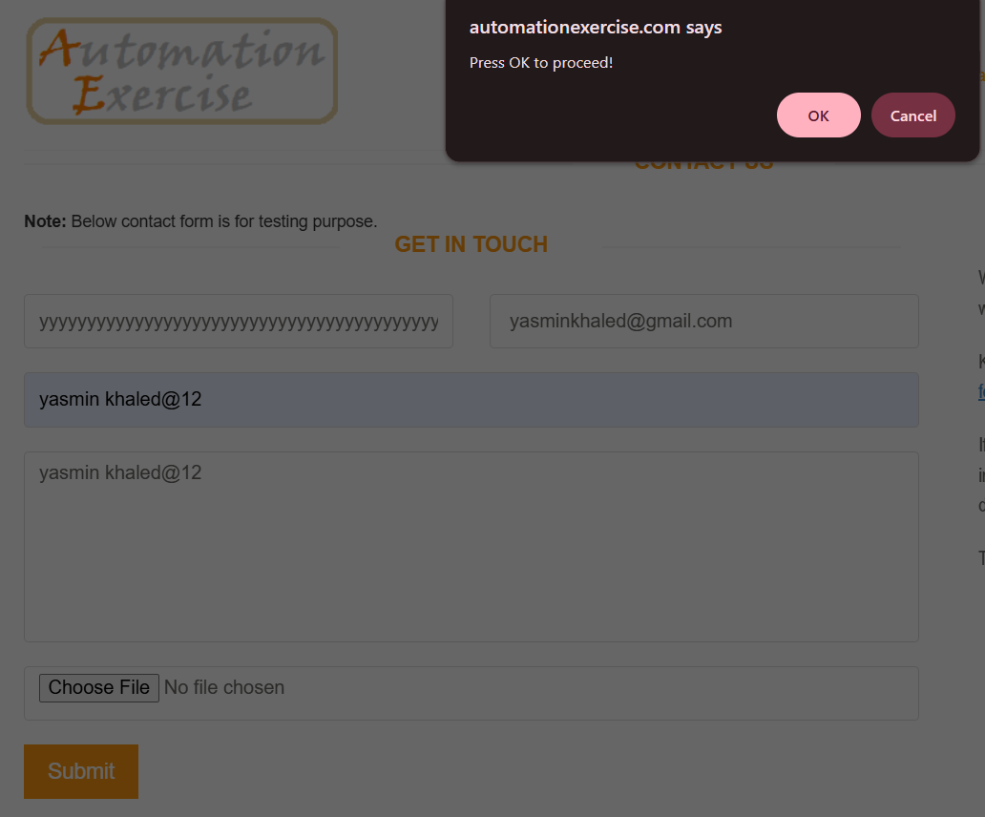 | New
Bug-Contact-12 | email can be without domain name in review form | 1- open Website https://automationexercise.com/ 2- Click on "Contact Us" button on navigation bar 3- enter "yasminkhaled@.com" in email field | System displays error message indicating "no domain name" | System displays error message : ""." is at wrong position" | Medium | Medium | Device : Laptop HP Zbook G6 OS : Windows 11 Browser : Chrome Env : Production | Yasmin khaled | Back End Team | 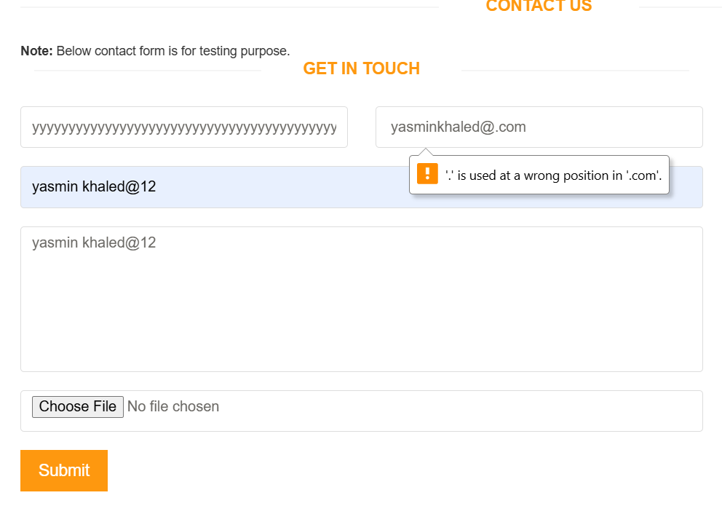 | New
Bug-Contact-13 | email can be without top level domain name in review form | 1- open Website https://automationexercise.com/ 2- Click on "Contact Us" button on navigation bar 3- enter "yasminkhaled@gmail" in email field | System displays error message indicating "input is invalid" | Form accepts Email field | Medium | Medium | Device : Laptop HP Zbook G6 OS : Windows 11 Browser : Chrome Env : Production | Yasmin khaled | Back End Team | 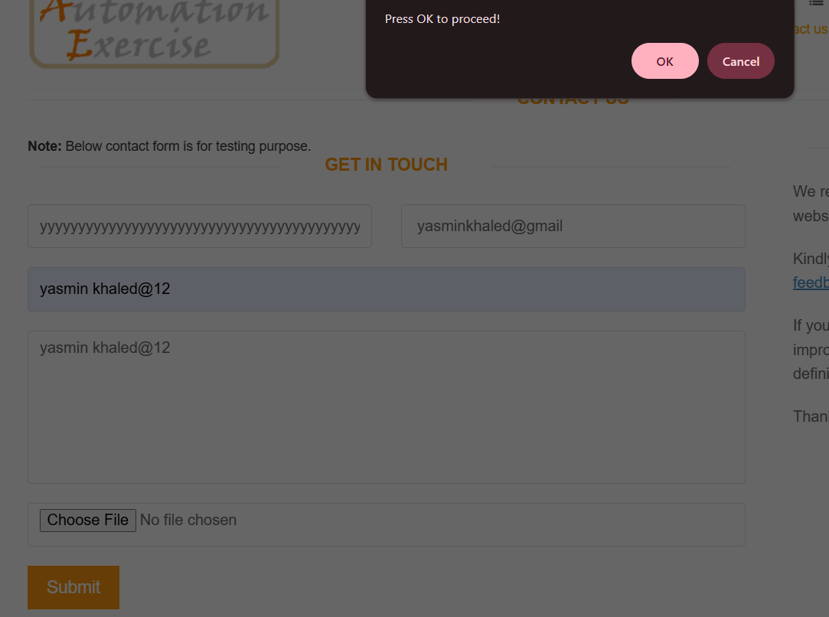 | New
Bug-Contact-15 | Form submission accepts subject field with empty value | 1- open Website https://automationexercise.com/ 2- Click on "Contact Us" button on navigation bar 3- leave subject field empty | System displays error message indicating "subject is required" | Form accepts empty subject field | High | High | Device : Laptop HP Zbook G6 OS : Windows 11 Browser : Chrome Env : Production | Yasmin khaled | Back End Team |  | New
Bug-Contact-17 | Form submission accepts message with empty value | 1- open Website https://automationexercise.com/ 2- Click on "Contact Us" button on navigation bar 3- leave message field empty | System displays error message indicating "message is required" | System accepts the form | High | High | Device : Laptop HP Zbook G6 OS : Windows 11 Browser : Chrome Env : Production | Yasmin khaled | Back End Team | 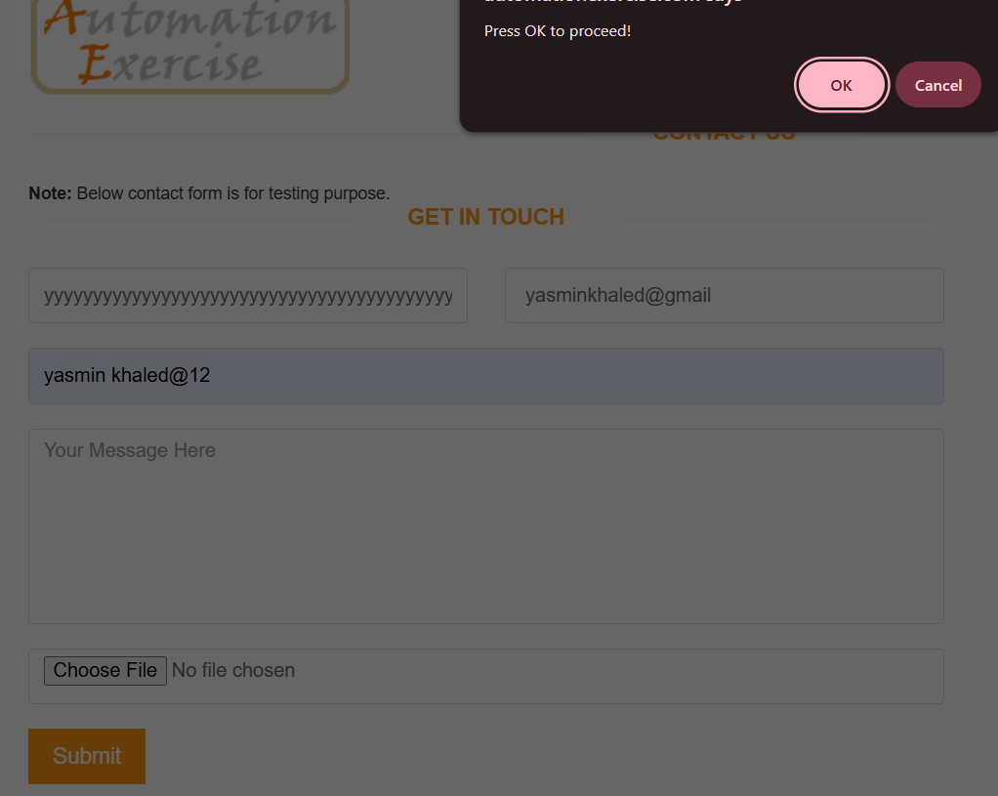 | New

